Allocation Distribution
CUSTOMER NAME | Assignment | INVOICE DATE | Invoice total Amount | Invoice Number NUMBER | CUSTOMER PO NUMBER | Promo START DATE | promo END DATE | DIVISION | WAREHOUSE | INVOICE AMOUNT (WITHOUT TAX) | FEDERAL TAX AMOUNT | PROVINCIAL TAX AMOUNT | Customer Comments | CUST PRODUCT CODE | GMI UPC CODE | DEDUCTION REASON | DEDUCTION Code | PRODUCT DESCRIPTION | PO Number | GMI QTY | CUSTOMER QTY | SHORTAGE QTY | GMI RATE | CUSTOMER RATE | RATE DIFFERENCE | OI Rate | Swell Allowance | Surcharge/Freight Rate | Rate 1 | Rate 2 | LINE ITEM AMOUNT | LINE ITEM DESC | Deal Number | Store Number | Store Name | Line FEDERAL TAX AMOUNT | Line PROVINCIAL TAX AMOUNT | Line DIVISION | PO DATE
Metro Ontario Inc. | - | 2020-08-22 | $29,341.55 | 111490968 | - | - | - | - | - | Manually exclude tax from total and mention | 3,375.57 | - | - | - | - | Allocation Distribution in $/Kg | Customer logistics | - | 14571360 | - | - | - | - | - | - | - | - | 0.29 | - | - | 38.28 | - | - | - | - | - | - | - | 2020-08-16
 |  |  |  |  |  |  |  |  |  |  |  |  |  |  |  | Allocation Distribution in $/Kg | Customer logistics |  | 14571360 |  |  |  |  |  |  |  |  |  |  |  | 464.49 |  |  |  |  |  |  |  | 2020-08-16
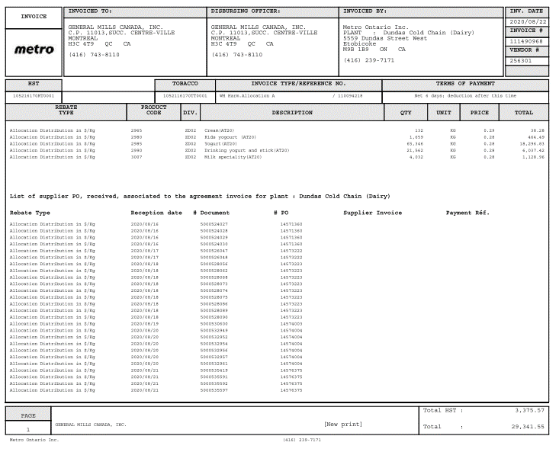
 |  |  |  |  |  |  |  |  |  |  |  |  |  |  |  | Allocation Distribution in $/Kg | Customer logistics |  | 14571360 |  |  |  |  |  |  |  |  |  |  |  | 18,296.83 |  |  |  |  |  |  |  | 2020-08-16
 |  |  |  |  |  |  |  |  |  |  |  |  |  |  |  | Allocation Distribution in $/Kg | Customer logistics |  | 14571360 |  |  |  |  |  |  |  |  |  |  |  | 6,037.42 |  |  |  |  |  |  |  | 2020-08-16
 |  |  |  |  |  |  |  |  |  |  |  |  |  |  |  | Allocation Distribution in $/Kg | Customer logistics |  | 14573222 |  |  |  |  |  |  |  |  |  |  |  | 1,128.96 |  |  |  |  |  |  |  | 2020-08-17
 |  |  |  |  |  |  |  |  |  |  |  |  |  |  |  | Allocation Distribution in $/Kg | Customer logistics |  | 14573222 |  |  |  |  |  |  |  |  |  |  |  |  |  |  |  |  |  |  |  | 2020-08-17
 |  |  |  |  |  |  |  |  |  |  |  |  |  |  |  | Allocation Distribution in $/Kg | Customer logistics |  | 14573223 |  |  |  |  |  |  |  |  |  |  |  |  |  |  |  |  |  |  |  | 2020-08-18
 |  |  |  |  |  |  |  |  |  |  |  |  |  |  |  | Allocation Distribution in $/Kg | Customer logistics |  | 14573223 |  |  |  |  |  |  |  |  |  |  |  |  |  |  |  |  |  |  |  | 2020-08-18
 |  |  |  |  |  |  |  |  |  |  |  |  |  |  |  | Allocation Distribution in $/Kg | Customer logistics |  | 14573223 |  |  |  |  |  |  |  |  |  |  |  |  |  |  |  |  |  |  |  | 2020-08-18
 |  |  |  |  |  |  |  |  |  |  |  |  |  |  |  | Allocation Distribution in $/Kg | Customer logistics |  | 14573223 |  |  |  |  |  |  |  |  |  |  |  |  |  |  |  |  |  |  |  | 2020-08-18
 |  |  |  |  |  |  |  |  |  |  |  |  |  |  |  | Allocation Distribution in $/Kg | Customer logistics |  | 14573223 |  |  |  |  |  |  |  |  |  |  |  |  |  |  |  |  |  |  |  | 2020-08-18
 |  |  |  |  |  |  |  |  |  |  |  |  |  |  |  | Allocation Distribution in $/Kg | Customer logistics |  | 14573223 |  |  |  |  |  |  |  |  |  |  |  |  |  |  |  |  |  |  |  | 2020-08-18
 |  |  |  |  |  |  |  |  |  |  |  |  |  |  |  | Allocation Distribution in $/Kg | Customer logistics |  | 14573223 |  |  |  |  |  |  |  |  |  |  |  |  |  |  |  |  |  |  |  | 2020-08-18
 |  |  |  |  |  |  |  |  |  |  |  |  |  |  |  | Allocation Distribution in $/Kg | Customer logistics |  | 14573223 |  |  |  |  |  |  |  |  |  |  |  |  |  |  |  |  |  |  |  | 2020-08-18
 |  |  |  |  |  |  |  |  |  |  |  |  |  |  |  | Allocation Distribution in $/Kg | Customer logistics |  | 14573223 |  |  |  |  |  |  |  |  |  |  |  |  |  |  |  |  |  |  |  | 2020-08-18
 |  |  |  |  |  |  |  |  |  |  |  |  |  |  |  | Allocation Distribution in $/Kg | Customer logistics |  | 14574003 |  |  |  |  |  |  |  |  |  |  |  |  |  |  |  |  |  |  |  | 2020-08-19
 |  |  |  |  |  |  |  |  |  |  |  |  |  |  |  | Allocation Distribution in $/Kg | Customer logistics |  | 14574004 |  |  |  |  |  |  |  |  |  |  |  |  |  |  |  |  |  |  |  | 2020-08-20
 |  |  |  |  |  |  |  |  |  |  |  |  |  |  |  | Allocation Distribution in $/Kg | Customer logistics |  | 14574004 |  |  |  |  |  |  |  |  |  |  |  |  |  |  |  |  |  |  |  | 2020-08-20
 |  |  |  |  |  |  |  |  |  |  |  |  |  |  |  | Allocation Distribution in $/Kg | Customer logistics |  | 14574004 |  |  |  |  |  |  |  |  |  |  |  |  |  |  |  |  |  |  |  | 2020-08-20
 |  |  |  |  |  |  |  |  |  |  |  |  |  |  |  | Allocation Distribution in $/Kg | Customer logistics |  | 14574004 |  |  |  |  |  |  |  |  |  |  |  |  |  |  |  |  |  |  |  | 2020-08-20
 |  |  |  |  |  |  |  |  |  |  |  |  |  |  |  | Allocation Distribution in $/Kg | Customer logistics |  | 14574004 |  |  |  |  |  |  |  |  |  |  |  |  |  |  |  |  |  |  |  | 2020-08-20
 |  |  |  |  |  |  |  |  |  |  |  |  |  |  |  | Allocation Distribution in $/Kg | Customer logistics |  | 14574004 |  |  |  |  |  |  |  |  |  |  |  |  |  |  |  |  |  |  |  | 2020-08-20
 |  |  |  |  |  |  |  |  |  |  |  |  |  |  |  | Allocation Distribution in $/Kg | Customer logistics |  | 14576375 |  |  |  |  |  |  |  |  |  |  |  |  |  |  |  |  |  |  |  | 2020-08-21
 |  |  |  |  |  |  |  |  |  |  |  |  |  |  |  | Allocation Distribution in $/Kg | Customer logistics |  | 14576375 |  |  |  |  |  |  |  |  |  |  |  |  |  |  |  |  |  |  |  | 2020-08-21
 |  |  |  |  |  |  |  |  |  |  |  |  |  |  |  | Allocation Distribution in $/Kg | Customer logistics |  | 14576375 |  |  |  |  |  |  |  |  |  |  |  |  |  |  |  |  |  |  |  | 2020-08-21
 |  |  |  |  |  |  |  |  |  |  |  |  |  |  |  | Allocation Distribution in $/Kg | Customer logistics |  | 14576375 |  |  |  |  |  |  |  |  |  |  |  |  |  |  |  |  |  |  |  | 2020-08-21

unloading fees
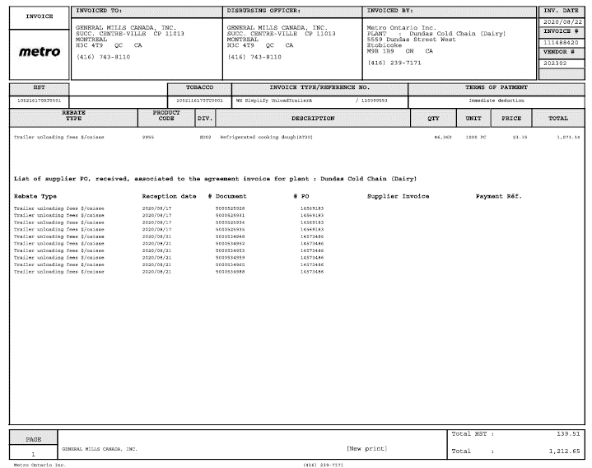
CUSTOMER NAME | Assignment | INVOICE DATE | Invoice total Amount | Invoice Number NUMBER | CUSTOMER PO NUMBER | Promo START DATE | promo END DATE | DIVISION | WAREHOUSE | INVOICE AMOUNT (WITHOUT TAX) | FEDERAL TAX AMOUNT | PROVINCIAL TAX AMOUNT | Customer Comments | CUST PRODUCT CODE | GMI UPC CODE | DEDUCTION REASON | DEDUCTION Code | PRODUCT DESCRIPTION | PO Number | GMI QTY | CUSTOMER QTY | SHORTAGE QTY | GMI RATE | CUSTOMER RATE | RATE DIFFERENCE | OI Rate | Swell Allowance | Surcharge/Freight Rate | Rate 1 | Rate 2 | LINE ITEM AMOUNT | LINE ITEM DESC | Deal Number | Store Number | Store Name | Line FEDERAL TAX AMOUNT | Line PROVINCIAL TAX AMOUNT | Line DIVISION | PO DATE
Metro Ontario Inc. | - | 2020-08-22 | 1,212.65 | 111488420 |  | - | - | - | - | Manually exclude tax from total and mention | 139.51 | - | - | - | - | Trailer unloading fees $/caisse | Customer Logistics | - | 14569183 | - | - | - | - | - | - | - | - | 23.15 | - | - | 1,073.14 | - | - | - | - | - | - | - | 2020-08-17
 |  |  |  |  |  |  |  |  |  |  |  |  |  |  |  | Trailer unloading fees $/caisse | Customer Logistics |  | 14569183 |  |  |  |  |  |  |  |  |  |  |  |  |  |  |  |  |  |  |  | 2020-08-17
 |  |  |  |  |  |  |  |  |  |  |  |  |  |  |  | Trailer unloading fees $/caisse | Customer Logistics |  | 14569183 |  |  |  |  |  |  |  |  |  |  |  |  |  |  |  |  |  |  |  | 2020-08-17
 |  |  |  |  |  |  |  |  |  |  |  |  |  |  |  | Trailer unloading fees $/caisse | Customer Logistics |  | 14569183 |  |  |  |  |  |  |  |  |  |  |  |  |  |  |  |  |  |  |  | 2020-08-17
 |  |  |  |  |  |  |  |  |  |  |  |  |  |  |  | Trailer unloading fees $/caisse | Customer Logistics |  | 14573486 |  |  |  |  |  |  |  |  |  |  |  |  |  |  |  |  |  |  |  | 2020-08-21
 |  |  |  |  |  |  |  |  |  |  |  |  |  |  |  | Trailer unloading fees $/caisse | Customer Logistics |  | 14573486 |  |  |  |  |  |  |  |  |  |  |  |  |  |  |  |  |  |  |  | 2020-08-21
 |  |  |  |  |  |  |  |  |  |  |  |  |  |  |  | Trailer unloading fees $/caisse | Customer Logistics |  | 14573486 |  |  |  |  |  |  |  |  |  |  |  |  |  |  |  |  |  |  |  | 2020-08-21
 |  |  |  |  |  |  |  |  |  |  |  |  |  |  |  | Trailer unloading fees $/caisse | Customer Logistics |  | 14573486 |  |  |  |  |  |  |  |  |  |  |  |  |  |  |  |  |  |  |  | 2020-08-21
 |  |  |  |  |  |  |  |  |  |  |  |  |  |  |  | Trailer unloading fees $/caisse | Customer Logistics |  | 14573486 |  |  |  |  |  |  |  |  |  |  |  |  |  |  |  |  |  |  |  | 2020-08-21
 |  |  |  |  |  |  |  |  |  |  |  |  |  |  |  | Trailer unloading fees $/caisse | Customer Logistics |  | 14573486 |  |  |  |  |  |  |  |  |  |  |  |  |  |  |  |  |  |  |  | 2020-08-21

TRANSPORTATION FEES
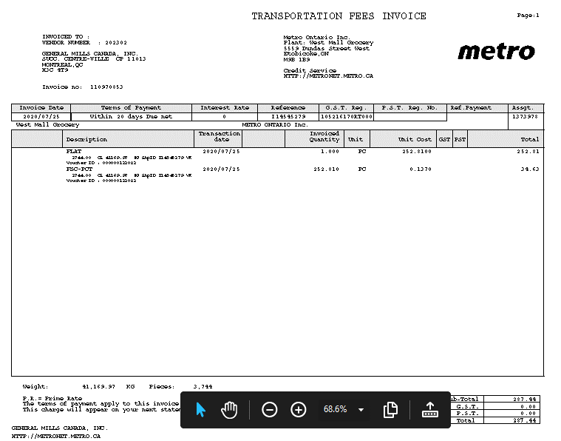
CUSTOMER NAME | Assignment | INVOICE DATE | Invoice total Amount | Invoice Number NUMBER | CUSTOMER PO NUMBER | Promo START DATE | promo END DATE | DIVISION | WAREHOUSE | INVOICE AMOUNT (WITHOUT TAX) | FEDERAL TAX AMOUNT | PROVINCIAL TAX AMOUNT | Customer Comments | CUST PRODUCT CODE | GMI UPC CODE | DEDUCTION REASON | DEDUCTION Code | PRODUCT DESCRIPTION | PO Number | GMI QTY | CUSTOMER QTY | SHORTAGE QTY | GMI RATE | CUSTOMER RATE | RATE DIFFERENCE | OI Rate | Swell Allowance | Surcharge/Freight Rate | Rate 1 | Rate 2 | LINE ITEM AMOUNT | LINE ITEM DESC | Deal Number | Store Number | Store Name | Line FEDERAL TAX AMOUNT | Line PROVINCIAL TAX AMOUNT | Line DIVISION | PO DATE
Metro Ontario Inc. | - | 2020-07-25 | 287.44 | I14545279 | - | - | - | - | - | 287.44 | - | - | - | - | - | TRANSPORTATION FEES INVOICE | Freight | - | - | - | - | - | - | - | - | - | - | - | - | - | 252.81 | - | - | - | - | - | - | - | -
 |  |  |  |  |  |  |  |  |  |  |  |  |  |  |  |  |  |  |  |  |  |  |  |  |  |  |  |  |  |  | 34.63

Reduced
CUSTOMER NAME | Assignment | INVOICE DATE | Invoice total Amount | Invoice Number NUMBER | CUSTOMER PO NUMBER | Promo START DATE | promo END DATE | DIVISION | WAREHOUSE | INVOICE AMOUNT (WITHOUT TAX) | FEDERAL TAX AMOUNT | PROVINCIAL TAX AMOUNT | Customer Comments | CUST PRODUCT CODE | GMI UPC CODE | DEDUCTION REASON | DEDUCTION Code | PRODUCT DESCRIPTION | PO Number | GMI QTY | CUSTOMER QTY | SHORTAGE QTY | GMI RATE | CUSTOMER RATE | RATE DIFFERENCE | OI Rate | Swell Allowance | Surcharge/Freight Rate | Rate 1 | Rate 2 | LINE ITEM AMOUNT | LINE ITEM DESC | Deal Number | Store Number | Store Name | Line FEDERAL TAX AMOUNT | Line PROVINCIAL TAX AMOUNT | Line DIVISION | PO DATE
Metro Ontario Inc. | 3300211258 | 2020-08-22 | 1,772.40 | 14574954 | 14574954 | - | - | - | - | 1,772.40 | 0 | 0 | The following items in your invoice were reduced | 31911503 | 10058300461929 | Shortage | Shortage | OEPaso fajita seas. | 14574954 | 200 | 180 | - | 29.54 | 29.54 | - | - | - | - | - | - | 590.80 |  | - | - | - | 0 | 0 | - | 2020-08-22
 |  |  |  |  |  |  |  |  |  |  |  |  |  | 31911507 | 10058300462124 | Shortage | Shortage | OEPaso mild taco seas. |  | 320 | 280 | - | 29.54 | 29.54 |  |  |  |  |  |  | 1181.6

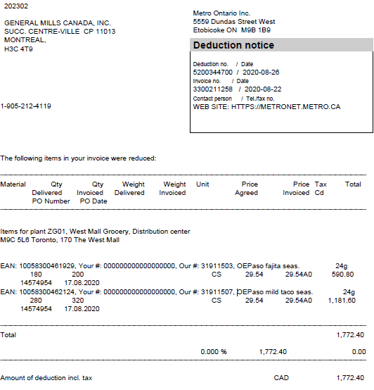

 |  |  |  |  |  |  |  |  |  |  |  |  |  |  |  |  |  |  |  | Note: In case of pricing you can conside the deduction reason as "Pricing "
 |  |  |  |  |  |  |  |  |  |  |  |  |  |  |  |  |  |  |  | Note: keep the Customer qty & customer price "blank" when backups as 0 qty delivered
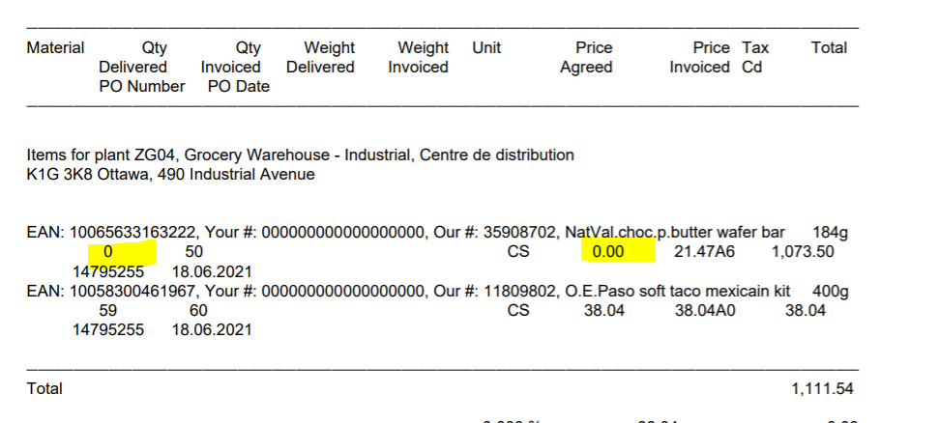

Notes for GBS

Harm Dist
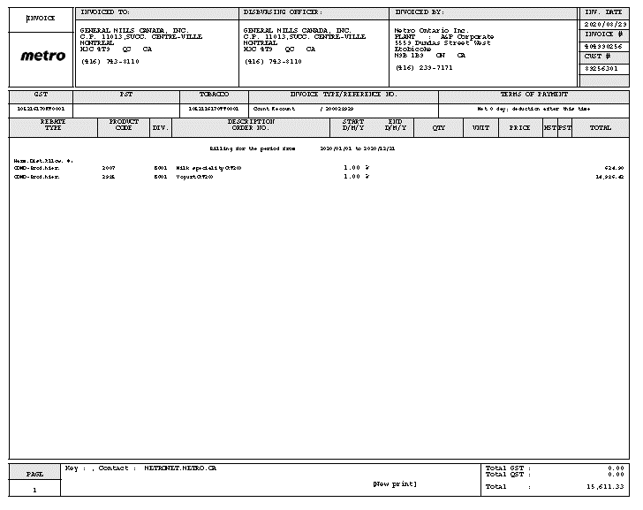
CUSTOMER NAME | Assignment | INVOICE DATE | Invoice total Amount | Invoice Number NUMBER | CUSTOMER PO NUMBER | Promo START DATE | promo END DATE | DIVISION | WAREHOUSE | INVOICE AMOUNT (WITHOUT TAX) | FEDERAL TAX AMOUNT | PROVINCIAL TAX AMOUNT | Customer Comments | CUST PRODUCT CODE | GMI UPC CODE | DEDUCTION REASON | DEDUCTION Code | PRODUCT DESCRIPTION | PO Number | GMI QTY | CUSTOMER QTY | SHORTAGE QTY | GMI RATE | CUSTOMER RATE | RATE DIFFERENCE | OI Rate | Swell Allowance | Surcharge/Freight Rate | Rate 1 | Rate 2 | LINE ITEM AMOUNT | LINE ITEM DESC | Deal Number | Store Number | Store Name | Line FEDERAL TAX AMOUNT | Line PROVINCIAL TAX AMOUNT | Line DIVISION | PO DATE
Metro Ontario Inc. | - | 2020-08-29 | 15,611.33 | 404990256 | - | - | - | - | - | - | 0 | 0 | - | 3007 | 0 | Harm.Dist.Allow. %: | Unsaleables | Milk speciality(AT20) | - | - | - | - | - | - | - | - | - | - | - | - | 624.9 | COND-Prod.hier. | - | - | - | - | - | - | -
 |  |  |  |  |  |  |  |  |  |  |  |  |  | 2985 | 0 |  | Unsaleables | Yogurt(AT20) |  |  |  |  |  |  |  |  |  |  |  |  | 14,986.43 | COND-Prod.hier.

"Invendables-Unsaleables
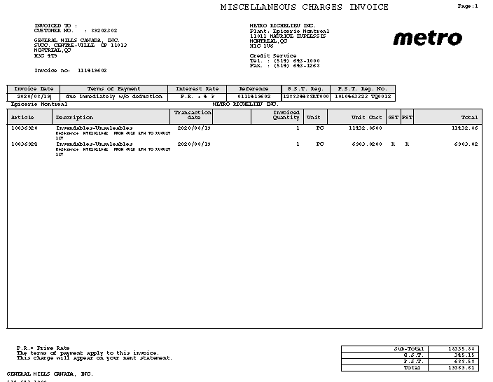
CUSTOMER NAME | Assignment | INVOICE DATE | Invoice total Amount | Invoice Number NUMBER | CUSTOMER PO NUMBER | Promo START DATE | promo END DATE | DIVISION | WAREHOUSE | INVOICE AMOUNT (WITHOUT TAX) | FEDERAL TAX AMOUNT | PROVINCIAL TAX AMOUNT | Customer Comments | CUST PRODUCT CODE | GMI UPC CODE | DEDUCTION REASON | DEDUCTION Code | PRODUCT DESCRIPTION | PO Number | GMI QTY | CUSTOMER QTY | SHORTAGE QTY | GMI RATE | CUSTOMER RATE | RATE DIFFERENCE | OI Rate | Swell Allowance | Surcharge/Freight Rate | Rate 1 | Rate 2 | LINE ITEM AMOUNT | LINE ITEM DESC | Deal Number | Store Number | Store Name | Line FEDERAL TAX AMOUNT | Line PROVINCIAL TAX AMOUNT | Line DIVISION | PO DATE
Metro Ontario Inc. | - | 2020-08-19 | 19369.61 | 892011082 | - | - | - | - | - | 18335.88 | 345.15 | 688.58 | - | 10036920 | - | Invendables-Unsaleables Référence MTR2011048 FROM JULY 5TH TO AUGUST | Unsaleables | - | - | - | - | - | - | - | - | - | - | - | - | - | 11432.86 | - | - | - | - | - | - | - | -
 |  |  |  |  |  |  |  |  |  |  |  |  |  | 10036924 |  | Invendables-Unsaleables Référence MTR2011048 FROM JULY 5TH TO AUGUST | Unsaleables |  |  |  |  |  |  |  |  |  |  |  |  |  | 6903.02

Overage
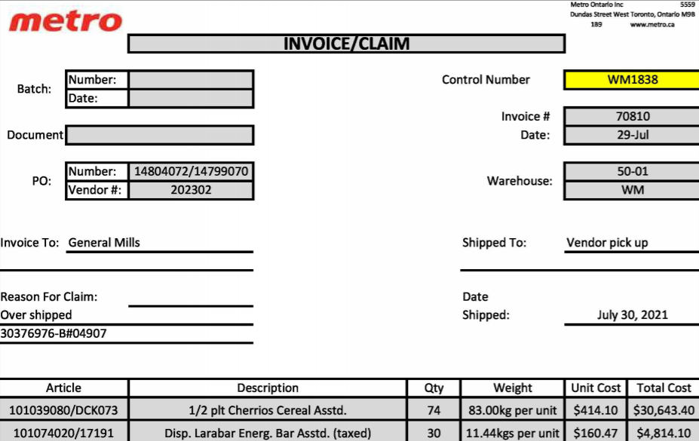
CUSTOMER NAME | Assignment | INVOICE DATE | Invoice total Amount | Invoice Number NUMBER | CUSTOMER PO NUMBER | Promo START DATE | promo END DATE | DIVISION | WAREHOUSE | INVOICE AMOUNT (WITHOUT TAX) | FEDERAL TAX AMOUNT | PROVINCIAL TAX AMOUNT | Customer Comments | CUST PRODUCT CODE | GMI UPC CODE | DEDUCTION REASON | DEDUCTION Code | PRODUCT DESCRIPTION | PO Number | GMI QTY | CUSTOMER QTY | SHORTAGE QTY | GMI RATE | CUSTOMER RATE | RATE DIFFERENCE | OI Rate | Swell Allowance | Surcharge/Freight Rate | Rate 1 | Rate 2 | LINE ITEM AMOUNT | LINE ITEM DESC | Deal Number | Store Number | Store Name | Line FEDERAL TAX AMOUNT | Line PROVINCIAL TAX AMOUNT | Line DIVISION | PO DATE
Metro Ontario Inc. | - | 29-Jul-21 | 36,083.33 | 70810 | - | - | - | - | - | - | $625.83 | - | - | 101039080 |  | Over shipped |  | 1/2 plt Cherrios Cereal Asstd | - | - | 74 | - |  | 414.1 | - | - | - | - | - | - | $30,643.40 |  | - | - | - | - | - | - | -

Short Code
CUSTOMER NAME | Assignment | INVOICE DATE | Invoice total Amount | Invoice Number NUMBER | CUSTOMER PO NUMBER | Promo START DATE | promo END DATE | DIVISION | WAREHOUSE | INVOICE AMOUNT (WITHOUT TAX) | FEDERAL TAX AMOUNT | PROVINCIAL TAX AMOUNT | Customer Comments | CUST PRODUCT CODE | GMI UPC CODE | DEDUCTION REASON | DEDUCTION Code | PRODUCT DESCRIPTION | PO Number | GMI QTY | CUSTOMER QTY | SHORTAGE QTY | GMI RATE | CUSTOMER RATE | RATE DIFFERENCE | OI Rate | Swell Allowance | Surcharge/Freight Rate | Rate 1 | Rate 2 | LINE ITEM AMOUNT | LINE ITEM DESC | Deal Number | Store Number | Store Name | Line FEDERAL TAX AMOUNT | Line PROVINCIAL TAX AMOUNT | Line DIVISION | PO DATE
Metro Ontario Inc. | - | 15-Aug-20 | 292.32 | 61581 | - | - | - | - | - | 292.32 | 0 | 0 | - | 113122050 | - | Short Code | Unsaleables | Pill.prep.dough flaky rol 340g | - | 14 | - | - | 20.88 | - | - | - | - | - | - | - | 292.32 | - | - | - | - | - | - | - | -
 |  |  |  |  |  |  |  |  |  |  |  |  |  |  |  | Code Date | Unsaleables
 |  |  |  |  |  |  |  |  |  |  |  |  |  |  |  | NOT ON PO | Shortage
 |  |  |  |  |  |  |  |  |  |  |  |  |  |  |  | Not Ordered | Shortage
 |  |  |  |  |  |  |  |  |  |  |  |  |  |  |  | Dump/Donate | Unsaleables
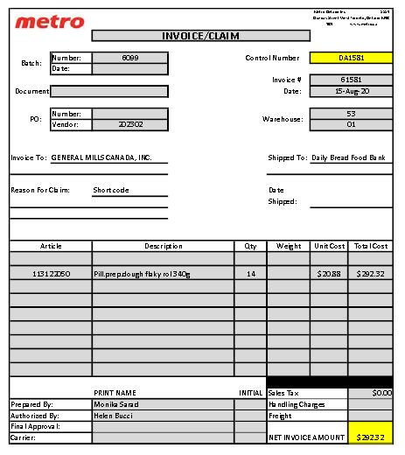
 |  |  |  |  |  |  |  |  |  |  |  |  |  |  |  | Donate | Unsaleables
 |  |  |  |  |  |  |  |  |  |  |  |  |  |  |  | Dump | Unsaleables
 |  |  |  |  |  |  |  |  |  |  |  |  |  |  |  | Delisted items | Unsaleables
 |  |  |  |  |  |  |  |  |  |  |  |  |  |  |  | DISCONTINUED | Unsaleables

 |  |  |  |  |  |  |  |  |  |  |  |  |  |  |  | Note: List of possible Key work added in deduction Reason

Delisted
CUSTOMER NAME | Assignment | INVOICE DATE | Invoice total Amount | Invoice Number NUMBER | CUSTOMER PO NUMBER | Promo START DATE | promo END DATE | DIVISION | WAREHOUSE | INVOICE AMOUNT (WITHOUT TAX) | FEDERAL TAX AMOUNT | PROVINCIAL TAX AMOUNT | Customer Comments | CUST PRODUCT CODE | GMI UPC CODE | DEDUCTION REASON | DEDUCTION Code | PRODUCT DESCRIPTION | PO Number | GMI QTY | CUSTOMER QTY | SHORTAGE QTY | GMI RATE | CUSTOMER RATE | RATE DIFFERENCE | OI Rate | Swell Allowance | Surcharge/Freight Rate | Rate 1 | Rate 2 | LINE ITEM AMOUNT | LINE ITEM DESC | Deal Number | Store Number | Store Name | Line FEDERAL TAX AMOUNT | Line PROVINCIAL TAX AMOUNT | Line DIVISION | PO DATE
Metro Ontario Inc. | - | 26-Jun-21 | $599.40 | 90382 | - | - | - | - | - | $530.44 | $68.96 | 0 | - | 333622010 | - | Delisted | Unsaleable | EPIC GL.F.BEEF PROT.BAR | - |  | 17 | - |  | $124.81 | - | - | - | - | - | - | $530.44 | Delisted-M0210145 | - | - | - | $68.96 | - | - | -

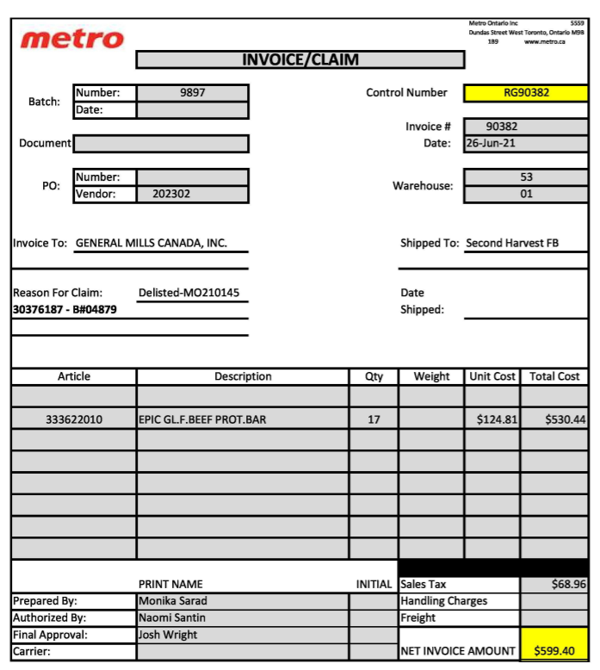

 |  |  |  |  |  |  |  |  |  | Note: If Tax not specfied, Always consider as GST

not delivered as reuested
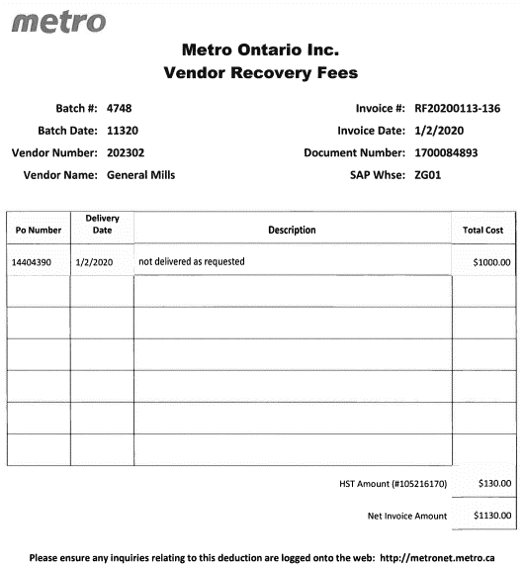
CUSTOMER NAME | Assignment | INVOICE DATE | Invoice total Amount | Invoice Number NUMBER | CUSTOMER PO NUMBER | Promo START DATE | promo END DATE | DIVISION | WAREHOUSE | INVOICE AMOUNT (WITHOUT TAX) | FEDERAL TAX AMOUNT | PROVINCIAL TAX AMOUNT | Customer Comments | CUST PRODUCT CODE | GMI UPC CODE | DEDUCTION REASON | DEDUCTION Code | PRODUCT DESCRIPTION | PO Number | GMI QTY | CUSTOMER QTY | SHORTAGE QTY | GMI RATE | CUSTOMER RATE | RATE DIFFERENCE | OI Rate | Swell Allowance | Surcharge/Freight Rate | Rate 1 | Rate 2 | LINE ITEM AMOUNT | LINE ITEM DESC | Deal Number | Store Number | Store Name | Line FEDERAL TAX AMOUNT | Line PROVINCIAL TAX AMOUNT | Line DIVISION | PO DATE
Metro Ontario Inc. | - | 2019-01-02 | 1130 | RF20200113-136 | 14404390 | - | - | - | - | 1000 | 130 | 0 | Not delivered as reuested | - | - | not delivered as reuested | Non complience | - | 14404390 | - | - | - | - | - | - | - | - | - | - | - | 1000 | - | - | - | - | 130 | - | - | 2019-01-02

Miscellaneous charges
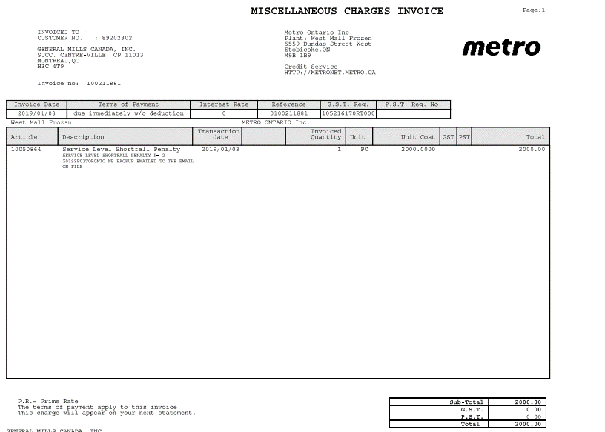
CUSTOMER NAME | Assignment | INVOICE DATE | Invoice total Amount | Invoice Number NUMBER | CUSTOMER PO NUMBER | Promo START DATE | promo END DATE | DIVISION | WAREHOUSE | INVOICE AMOUNT (WITHOUT TAX) | FEDERAL TAX AMOUNT | PROVINCIAL TAX AMOUNT | Customer Comments | CUST PRODUCT CODE | GMI UPC CODE | DEDUCTION REASON | DEDUCTION Code | PRODUCT DESCRIPTION | PO Number | GMI QTY | CUSTOMER QTY | SHORTAGE QTY | GMI RATE | CUSTOMER RATE | RATE DIFFERENCE | OI Rate | Swell Allowance | Surcharge/Freight Rate | Rate 1 | Rate 2 | LINE ITEM AMOUNT | LINE ITEM DESC | Deal Number | Store Number | Store Name | Line FEDERAL TAX AMOUNT | Line PROVINCIAL TAX AMOUNT | Line DIVISION | PO DATE
Metro Ontario Inc. | - | 2019-03-01 | 2000 | 100211881 | - | - | - | - | - | 2000 | 0 | 0 | - | 10050864 | - | Miscellaneous charges -Service level shorfall penalty | Non-complience | - | - | - | - | - | - | - | - | - | - | - | - | - | 2000 | - | - | - | - | - | - | - | 2020-03-01

Non Compliance Fee
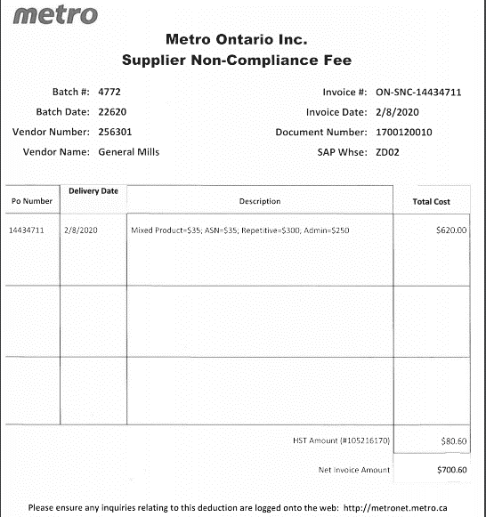
CUSTOMER NAME | Assignment | INVOICE DATE | Invoice total Amount | Invoice Number NUMBER | CUSTOMER PO NUMBER | Promo START DATE | promo END DATE | DIVISION | WAREHOUSE | INVOICE AMOUNT (WITHOUT TAX) | FEDERAL TAX AMOUNT | PROVINCIAL TAX AMOUNT | Customer Comments | CUST PRODUCT CODE | GMI UPC CODE | DEDUCTION REASON | DEDUCTION Code | PRODUCT DESCRIPTION | PO Number | GMI QTY | CUSTOMER QTY | SHORTAGE QTY | GMI RATE | CUSTOMER RATE | RATE DIFFERENCE | OI Rate | Swell Allowance | Surcharge/Freight Rate | Rate 1 | Rate 2 | LINE ITEM AMOUNT | LINE ITEM DESC | Deal Number | Store Number | Store Name | Line FEDERAL TAX AMOUNT | Line PROVINCIAL TAX AMOUNT | Line DIVISION | PO DATE
Metro Ontario Inc. | - | 2020-02-08 | 700.6 | ON-SNC-14434711 | 14434711 | - | - | - | - | 700.6 | 80.6 | 0 |  | - | - | Non Compliance Fee | Non complience | - | 14434711 | - | - | - | - | - | - | - | - | - | - | - | 620 | - | - | - | - | 80.6 | - | - | 2020-02-08

Reclaim
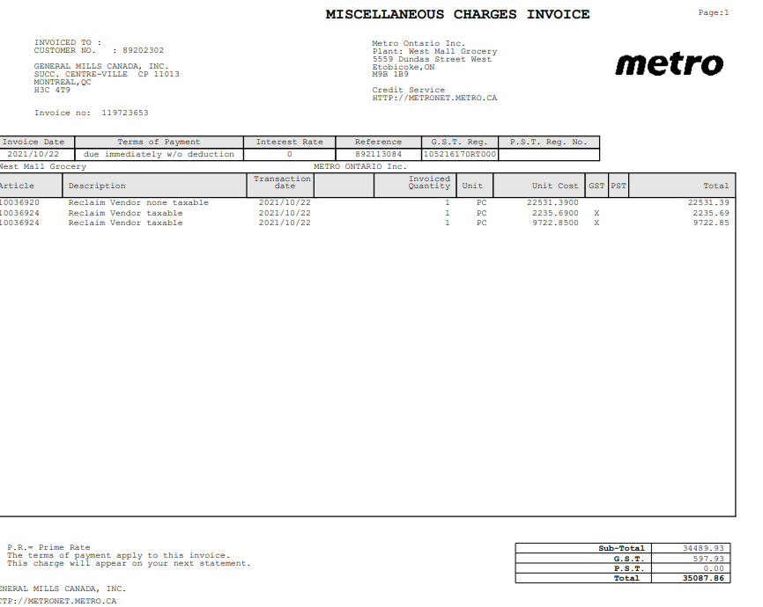
CUSTOMER NAME | Assignment | INVOICE DATE | Invoice total Amount | Invoice Number NUMBER | CUSTOMER PO NUMBER | Promo START DATE | promo END DATE | DIVISION | WAREHOUSE | INVOICE AMOUNT (WITHOUT TAX) | FEDERAL TAX AMOUNT | PROVINCIAL TAX AMOUNT | Customer Comments | CUST PRODUCT CODE | GMI UPC CODE | DEDUCTION REASON | DEDUCTION Code | PRODUCT DESCRIPTION | PO Number | GMI QTY | CUSTOMER QTY | SHORTAGE QTY | GMI RATE | CUSTOMER RATE | RATE DIFFERENCE | OI Rate | Swell Allowance | Surcharge/Freight Rate | Rate 1 | Rate 2 | LINE ITEM AMOUNT | LINE ITEM DESC | Deal Number | Store Number | Store Name | Line FEDERAL TAX AMOUNT | Line PROVINCIAL TAX AMOUNT | Line DIVISION | PO DATE
Metro Ontario Inc. | 892113084 | 2021-10-22 | 35087.86 | 892113084 | - | - | - | - | - | 34489.93 | 597.93 | 0 | - |  | - | Reclaim Vendor none taxable | Unsalable | - | - | - | - | - | - | - | - | - | - | - | - | - | 22531.39 | - | - | - | - | 597.93 | - | -
 |  |  |  |  |  |  |  |  |  |  |  |  |  |  |  | Reclaim Vendor taxable | Unsalable

